SCF
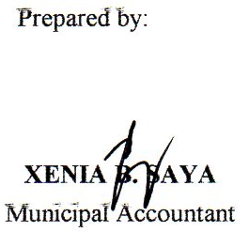
Municipality of Brooke's Point, Palawan
Statement of Condensed Cash Flows
General Fund
For the Period Ended September 30, 2021

Cash Flows from Operating Activities
Cash Inflows
Collection from Taxpayers | 25,300,617.47
Share from Internal Revenue Allotment | 321,397,848.00
Receipts from business/ service income | 35,760,780.08
Interest Income | -
Other Receipts | 103,936,325.00
Total Cash Inflows | 486,395,570.55
Cash Outflows
Payments to suppliers and creditors | 153,817,186.08
Payments to employees | 93,641,138.08
Other Expenses | 89,454,033.34
Total Cash Outflows | 336,912,357.50
Net Cash Flows from Operating Activities | 149,483,213.05
Cash Flows from Investing Activities
Cash Inflows
Total Cash Inflows
Cash Outflows
Purchase/ Construction of Property, Plant and Equipment | 31,812,619.85
Total Cash Outflows | 31,812,619.85
Net Cash Flows from Investing Activities | (31,812,619.85)
Cash Flows from Financing Activities
Cash Inflows
Proceeds from Loans | 14,948,144.16
Total Cash Inflows | 14,948,144.16
Cash Outflows
Payment of Loan Amortization | 12,707,798.50
Total Cash Outflows | 12,707,798.50
Net Cash Flows from Financing Activities | 2,240,345.66
Total Cash Provided by Operating, Investing and Financing Activities | 119,910,938.86
Add: Cash at the beginning of the year | 293,180,747.38
Cash Balance at the End of the Year | 413,091,686.24

